Sheet1
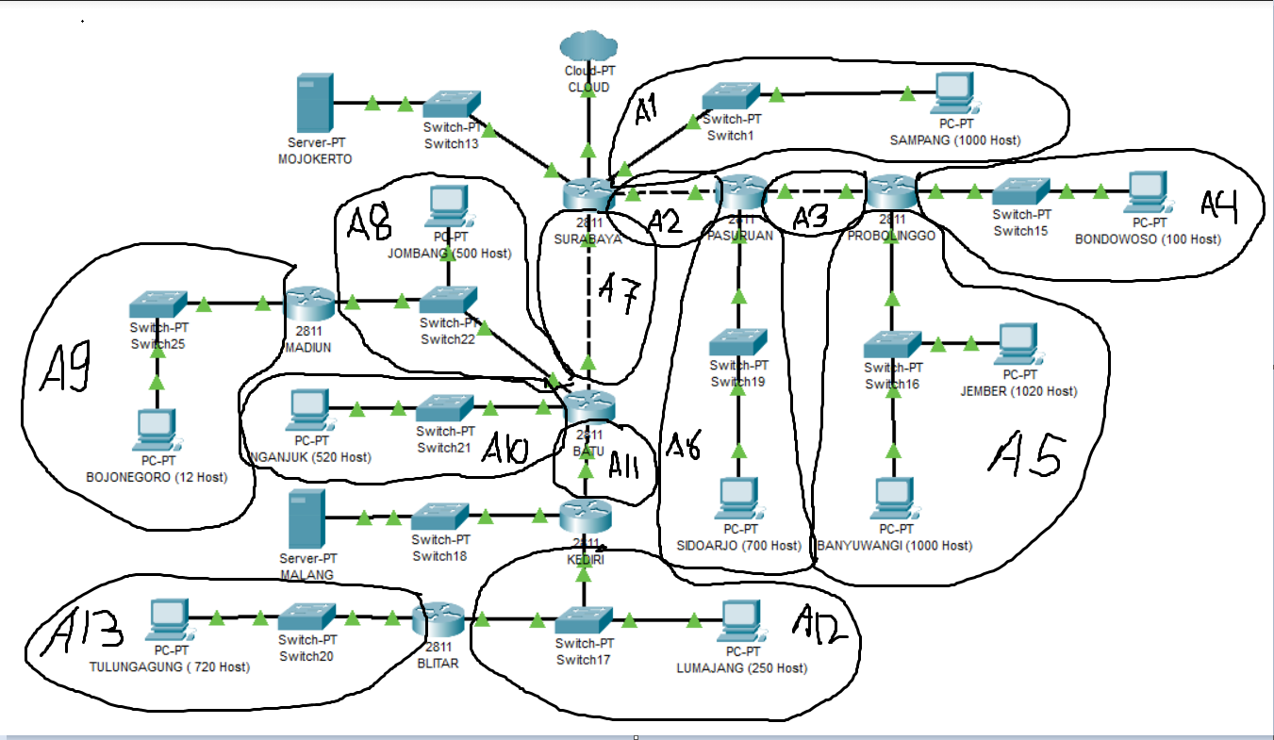
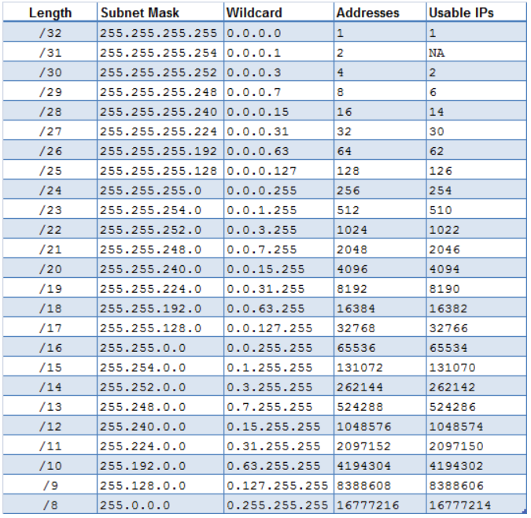

subnet | jumlah ip | submask | NID | netmask | Broadcast ID | Wildcard
A05 | 2021 | 21 | 192.168.16.0 | 255.255.248.0 | 192.168.23.255 | 0.0.7.255
A01 | 1001 | 22 | 192.168.4.0 | 255.255.252.0 | 192.168.7.255 | 0.0.3.255
A06 | 701 | 22 | 192.168.8.0 | 255.255.252.0 | 192.168.11.255 | 0.0.3.255
A10 | 521 | 22 | 192.168.12.0 | 255.255.252.0 | 192.168.15.255 | 0.0.3.255
A13 | 721 | 22 | 192.168.24.0 | 255.255.252.0 | 192.168.27.255 | 0.0.3.255
A08 | 502 | 23 | 192.168.2.0 | 255.255.254.0 | 192.168.3.255 | 0.0.1.255
A12 | 252 | 24 | 192.168.1.0 | 255.255.255.0 | 192.168.1.255 | 0.0.0.255
A04 | 101 | 25 | 192.168.0.128 | 255,255,255,128 | 192.168.0.255 | 0.0.0.127
A09 | 13 | 28 | 192.168.0.16 | 255,255,255,240 | 192.168.0.31 | 0.0.0.15
A02 | 2 | 30 | 192.168.0.12 | 255,255,255,252 | 192.168.0.15 | 0.0.0.3
A03 | 2 | 30 | 192.168.0.8 | 255,255,255,252 | 192.168.0.11 | 0.0.0.3
A07 | 2 | 30 | 192.168.0.4 | 255,255,255,252 | 192.168.0.7 | 0.0.0.3
A11 | 2 | 30 | 192.168.0.0 | 255,255,255,252 | 192.168.0.3 | 0.0.0.3
 | 5841 | 19

NID DMZ | 10.151.83.88/29
Server | Mojokerto | 30 | 10.151.83.88 | 255,255,255,252 | 10.151.83.91 | 0.0.0.3
Server | Malang | 30 | 10.151.83.92 | 255,255,255,252 | 10.151.83.95 | 0.0.0.3

 | Routing | Subnet | NID | Netmask | Gateway
 | SURABAYA | 3 | 192.168.0.8 | 255,255,255,252 | 192.168.0.14
 |  | 4 | 192.168.0.128 | 255,255,255,128 | 192.168.0.14
 |  | 5 | 192.168.16.0 | 255.255.248.0 | 192.168.0.14
 |  | 6 | 192.168.8.0 | 255.255.252.0 | 192.168.0.14
 |  | 8 | 192.168.2.0 | 255.255.254.0 | 192.168.0.6
 |  | 9 | 192.168.0.16 | 255,255,255,240 | 192.168.0.6
 |  | 10 | 192.168.12.0 | 255.255.252.0 | 192.168.0.6
 |  | 11 | 192.168.0.0 | 255,255,255,252 | 192.168.0.6
 |  | 12 | 192.168.1.0 | 255.255.255.0 | 192.168.0.6
 |  | 13 | 192.168.24.0 | 255.255.252.0 | 192.168.0.6
 |  | MALANG | 10.151.83.92 | 255,255,255,252 | 192.168.0.6
 | PASURUAN | 4 | 192.168.0.128 | 255,255,255,128 | 192.168.0.10
 |  | 5 | 192.168.16.0 | 255.255.248.0 | 192.168.0.10
 |  | 0 | 0.0.0.0 | 0.0.0.0 | 192.168.0.13
 | PROBOLINGGO | 0 | 0.0.0.0 | 0.0.0.0 | 192.168.0.9
 | BATU | 0 | 0.0.0.0 | 0.0.0.0 | 192.168.0.5
 |  | 9 | 192.168.0.16 | 255,255,255,240 | 192.168.2.3
 |  | 12 | 192.168.1.0 | 255.255.255.0 | 192.168.0.2
 |  | 13 | 192.168.24.0 | 255.255.252.0 | 192.168.0.2
 |  | MALANG | 10.151.83.92 | 255,255,255,252 | 192.168.0.2
 | MADIUN | 0 | 0.0.0.0 | 0.0.0.0 | 192.168.2.1
 | KEDIRI | 0 | 0.0.0.0 | 0.0.0.0 | 192.168.0.1
 |  | 13 | 192.168.24.0 | 255.255.252.0 | 192.168.1.3
 | BLITAR | 0 | 0.0.0.0 | 0.0.0.0 | 192.168.1.1

 | Host | NID | Subnet | Gateway
 | SAMPANG | 192.168.4.2 | 255.255.255.0 | 192.168.4.1
 | BONDOWOSO | 192.168.0.130 | 255,255,255,128 | 192.168.0.129
 | JEMBER | 192.168.16.2 | 255.255.248.0 | 192.168.16.1
 | BANYUWANGI | 192.168.16.3 | 255.255.248.0 | 192.168.16.1
 | SIDOARJO | 192.168.8.2 | 255.255.255.0 | 192.168.8.1
 | JOMBANG | 192.168.2.2 | 255.255.254.0 | 192.168.2.1
 | NGANJUK | 192.168.12.2 | 255.255.252.0 | 192.168.12.1
 | BOJONEGORO | 192.168.0.18 | 255,255,255,240 | 192.168.0.17
 | TULUNGAGUNG | 192.168.24.2 | 255.255.252.0 | 192.168.24.1
 | LUMAJANG | 192.168.1.2 | 255.255.255.0 | 192.168.1.1

 | SERVER
 | MOJOKERJO | 10.151.83.90 | 255,255,255,252 | 10.151.83.89
 | MALANG | 10.151.83.94 | 255,255,255,252 | 10.151.83.93

